UI Changes
 |  | Required Changes in UI

PROJECT MODE |  |  | SIMPLE MODE | CHECKMODE
SAME GUI + ADDITIONAL FEATURES IF REQUIRED
TORSION INPUT FROM TABLE |  |  | TORSION INPUT BOX
Deflection input changes
Out Put Replace short term and long term with Total Deflection and Include Crack width if required !

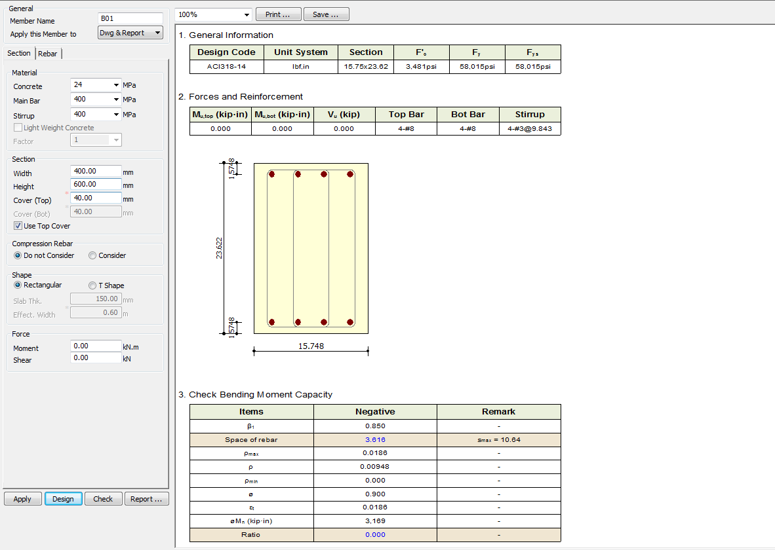
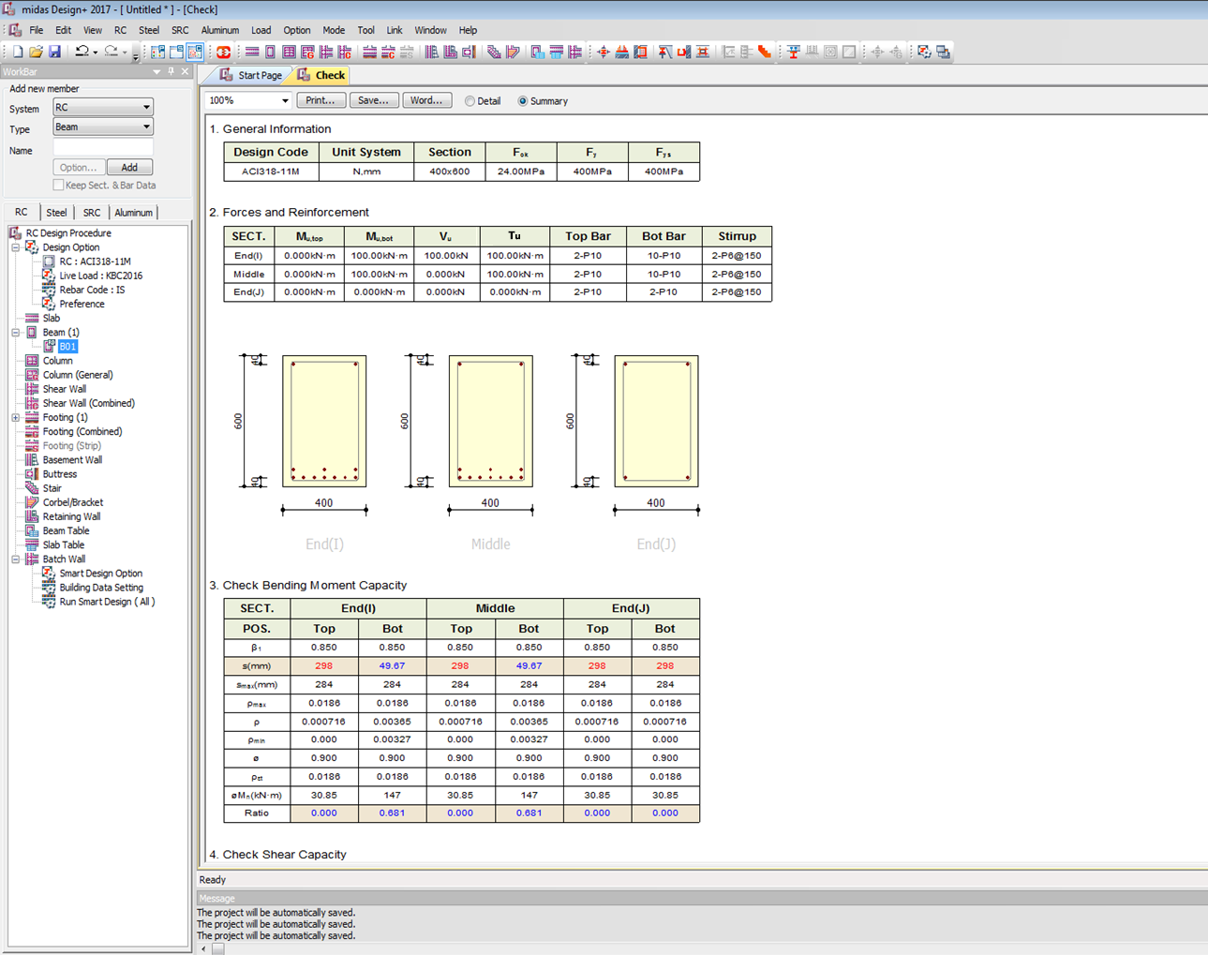

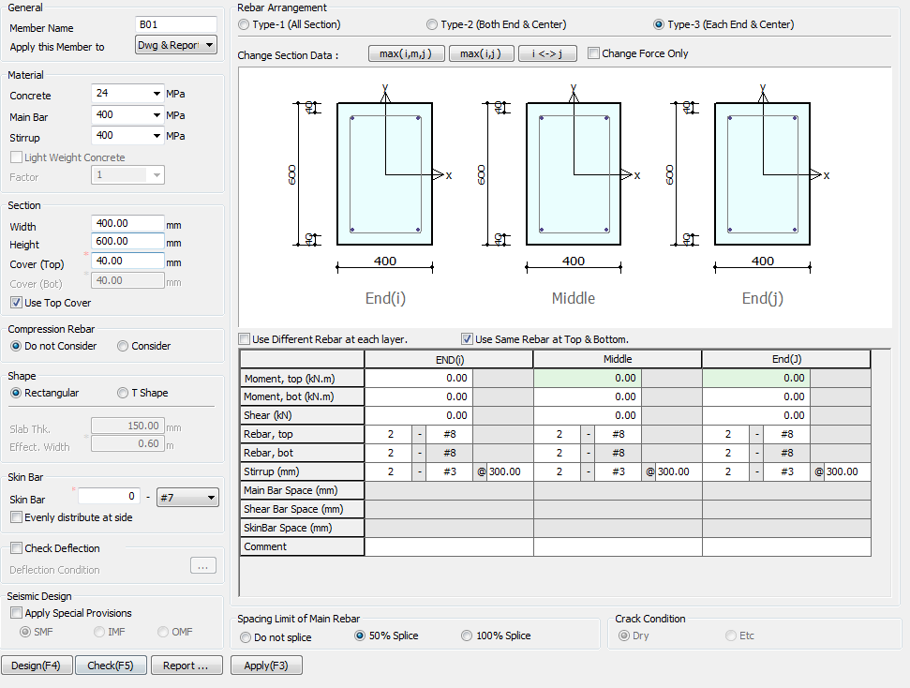

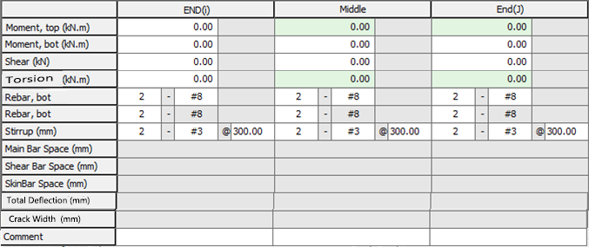

Torsion
0
kN-M

Side Face Reinforcement

Side

Apply IS 13920 Design

 | TORSION INPUT JUST BELOW SHEAR BOX

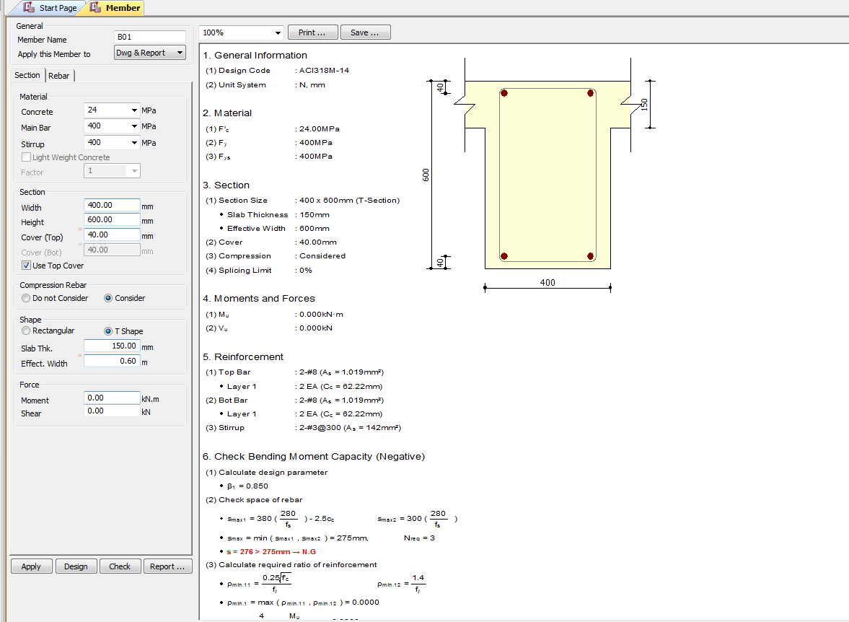

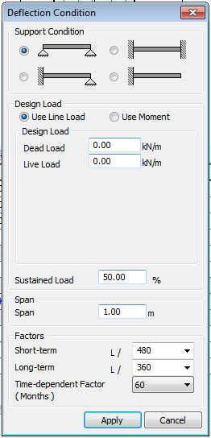

(3)TU : 0.000KN-m
Charactersic Deflection Control
Limit
250
350

7
28
365
(Days)
Torsion
0
kN-M

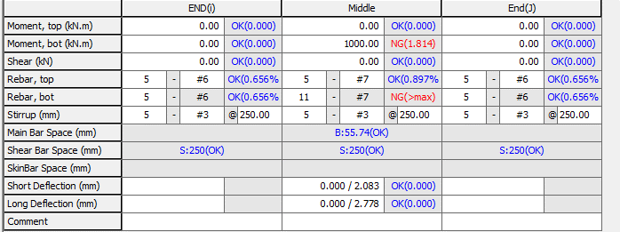

Total Deflection (mm)
Crack Width (mm)

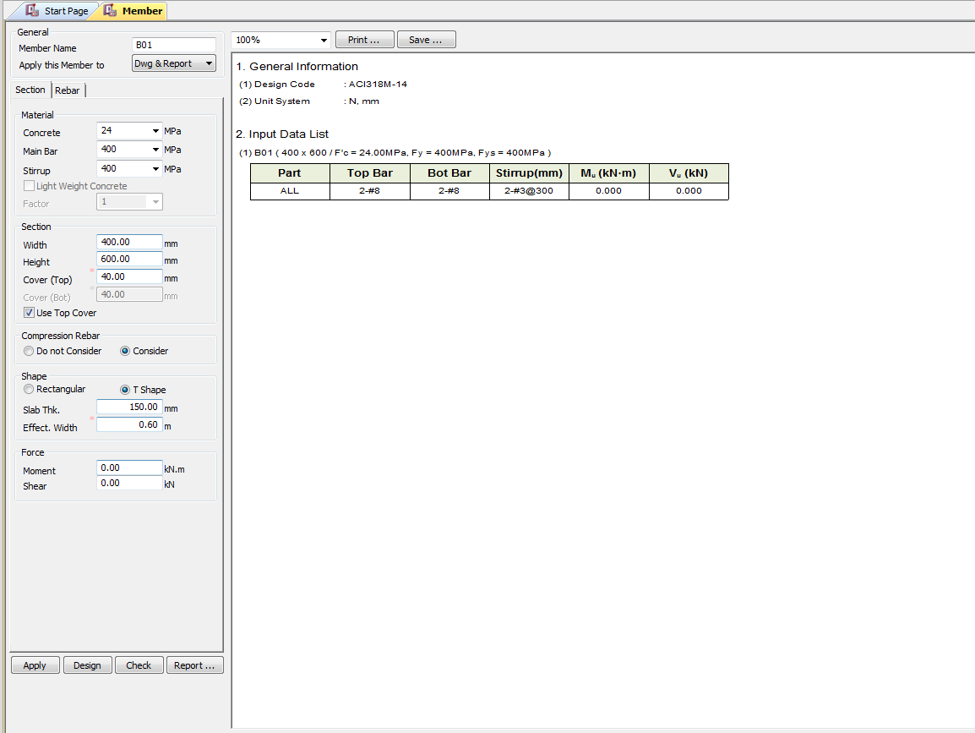

Torsion
0
kN-M

UI CHECK
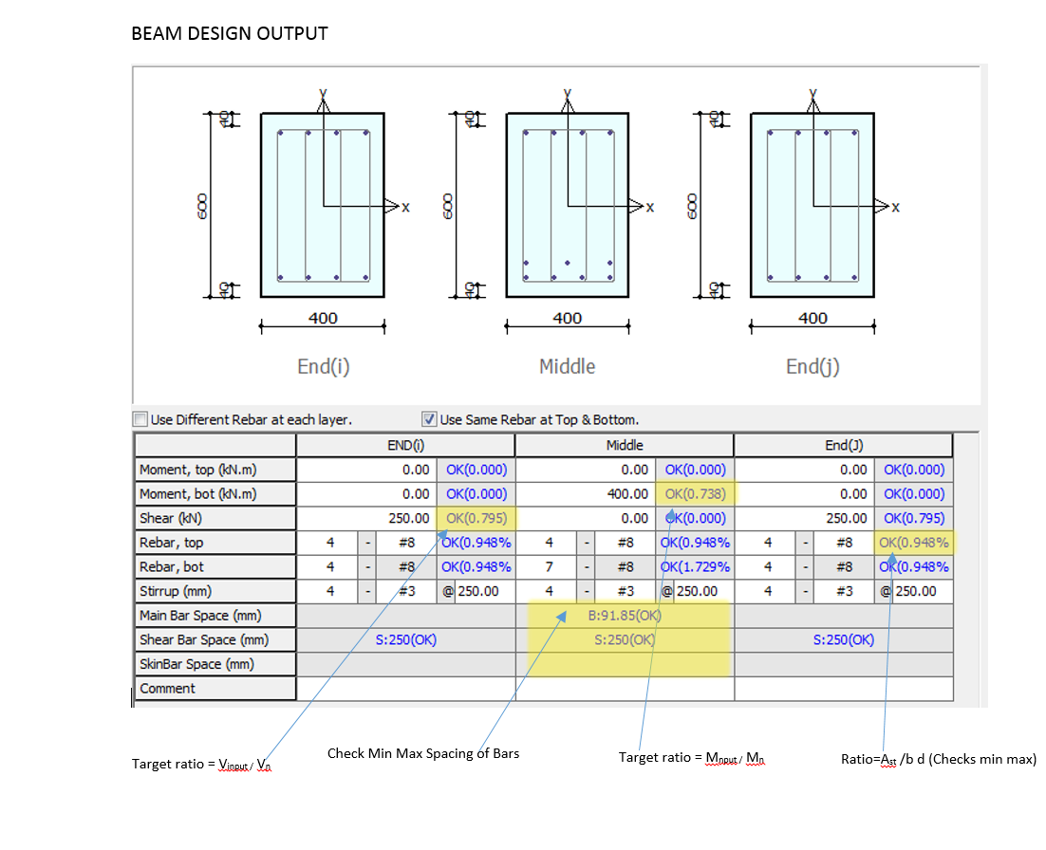
UI Checking

 | Checks the Input shear to section shear Capacity ratio
 | Checks the Input Moment toMoment section Capacity ratio
 | Check Min Max spacing of Bar
 | Check Min Max Area of steel
 | Check Deflection Limit as per code

CODE PROVISIONS
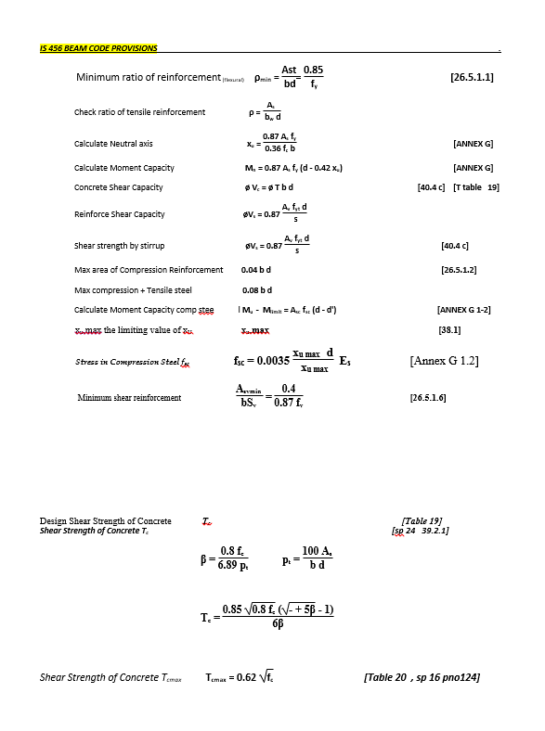
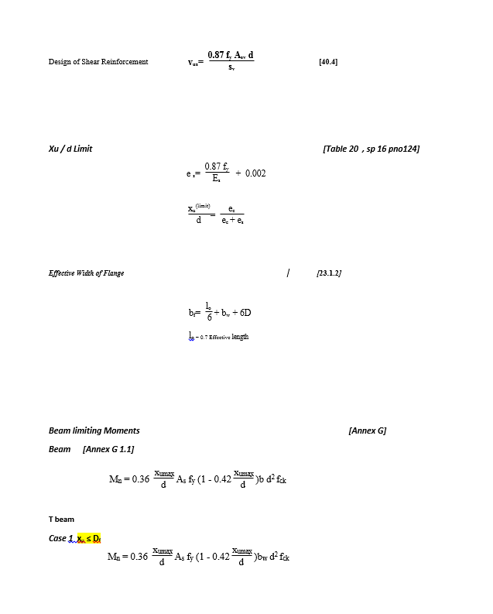
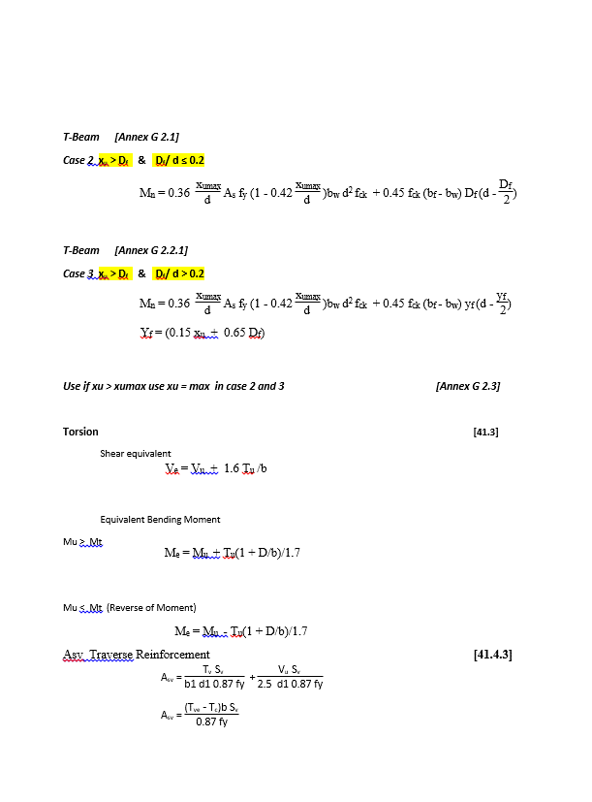
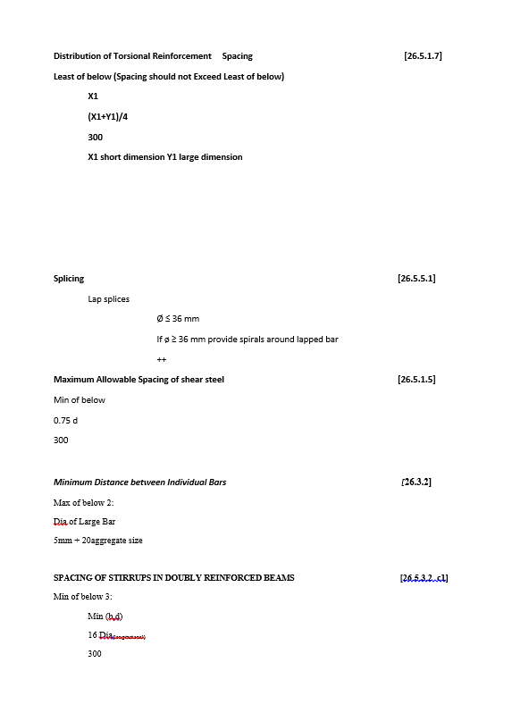
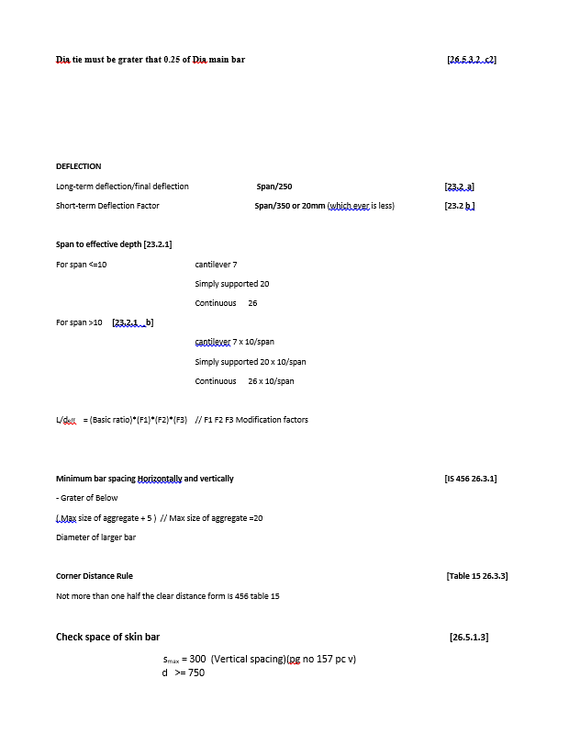
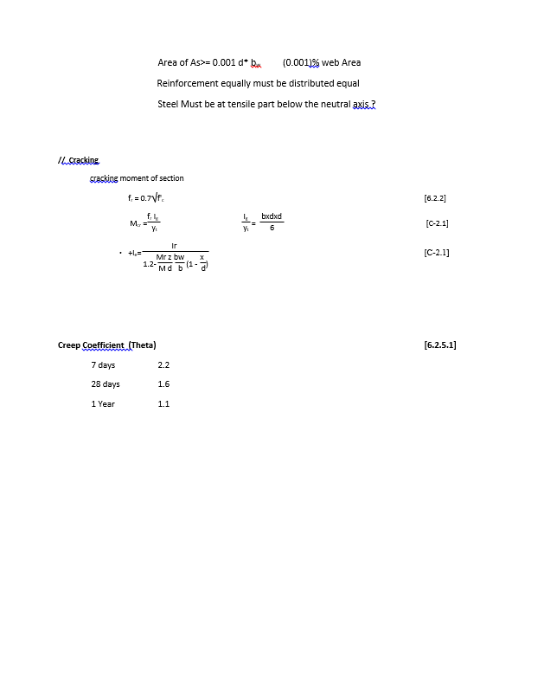
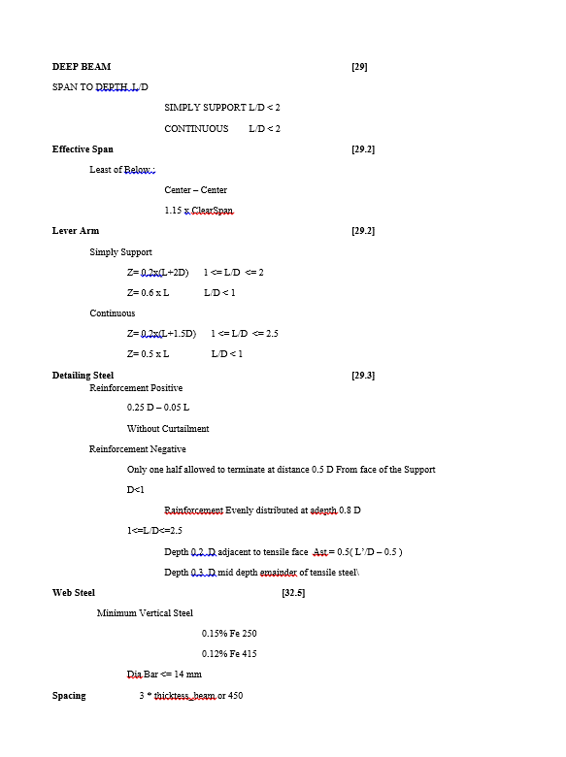
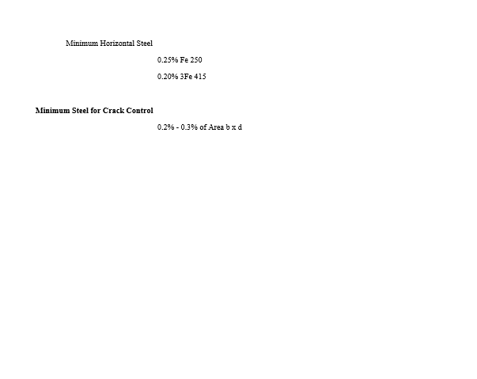
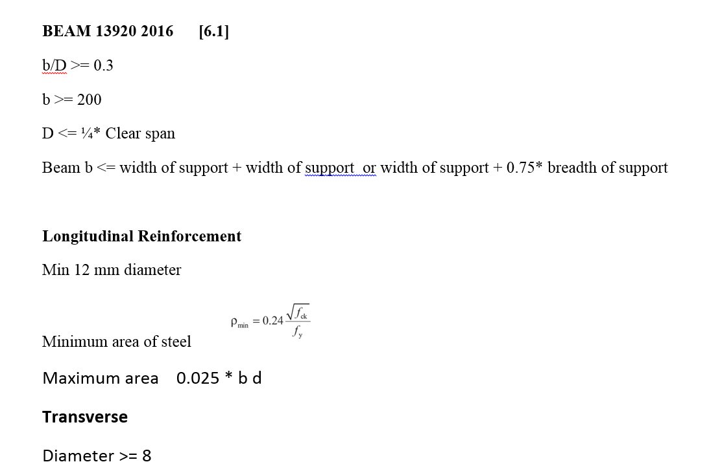
CODE PROVISION

IS 456 2000 CODE PROVISIONS
SP 16
SP 24
IS 13920 2016

FLOWCHART4
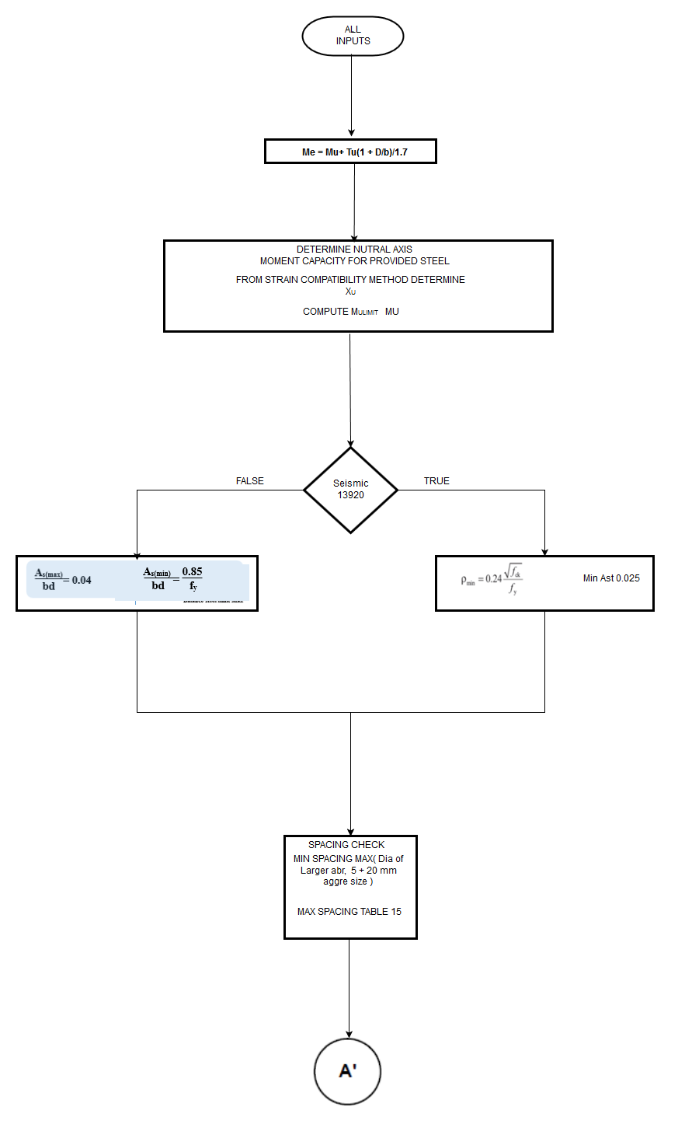
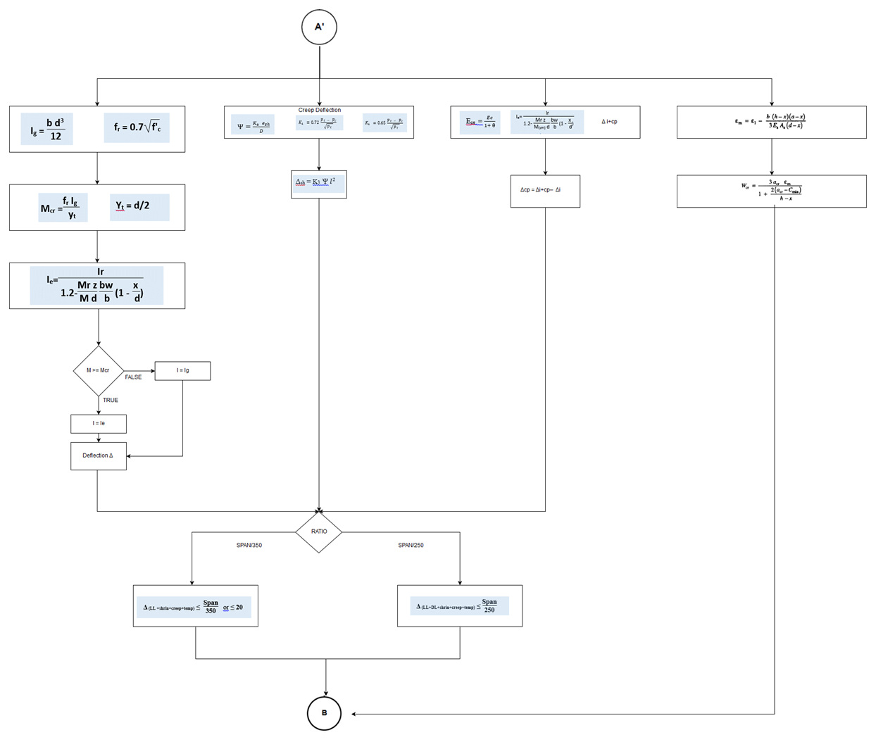
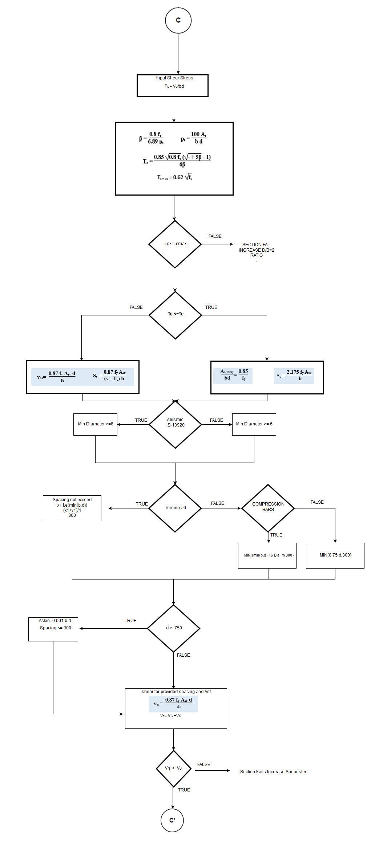
Flow Chart

FLOW CHARTS FOR EACH STEPS

REPORT3
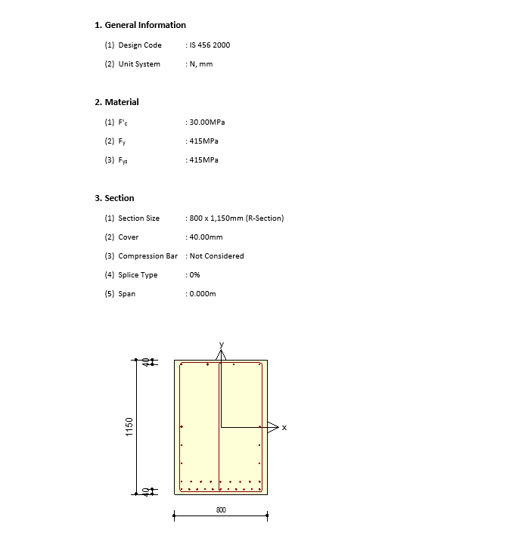
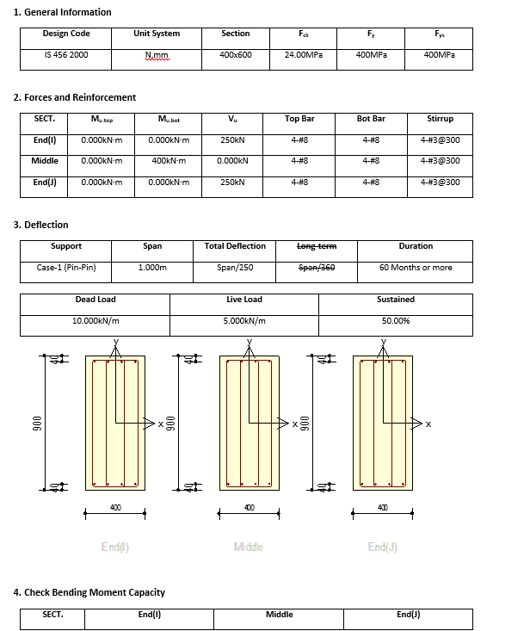
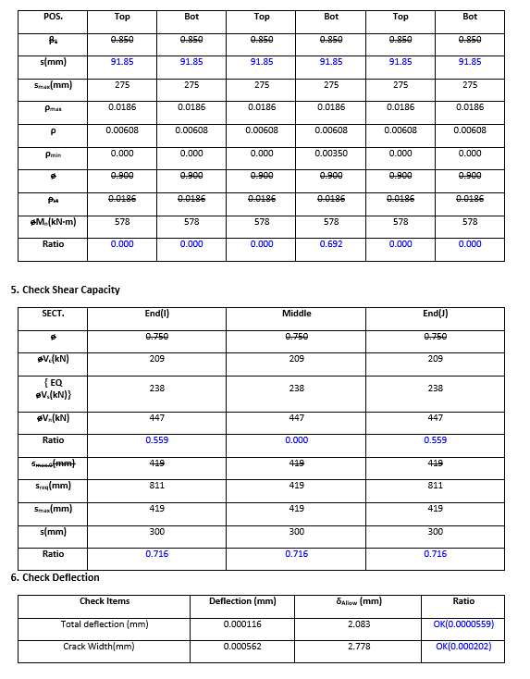
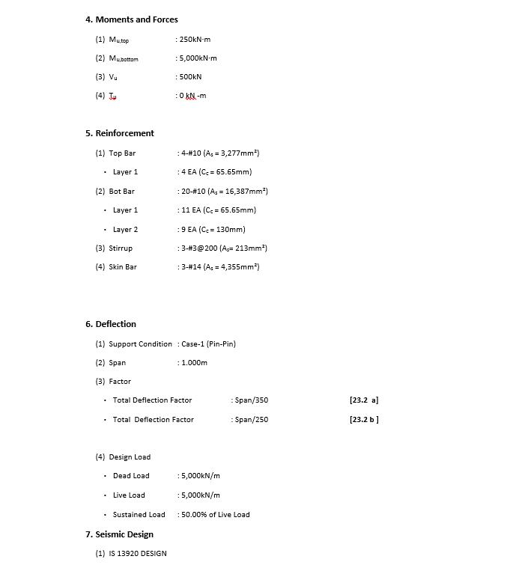
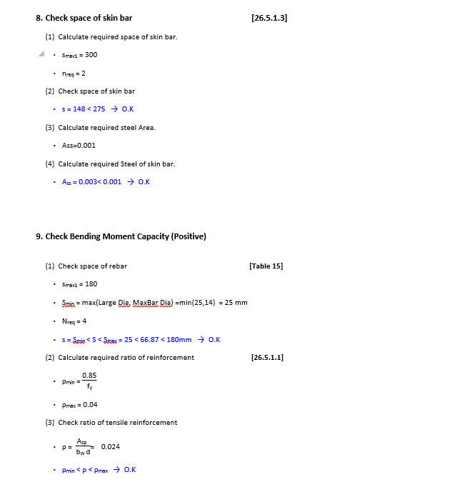
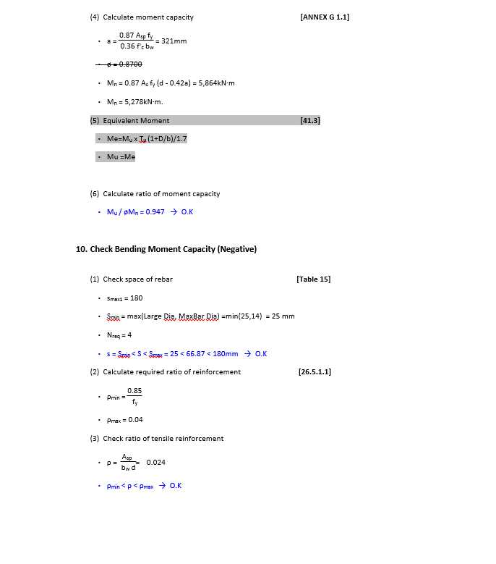
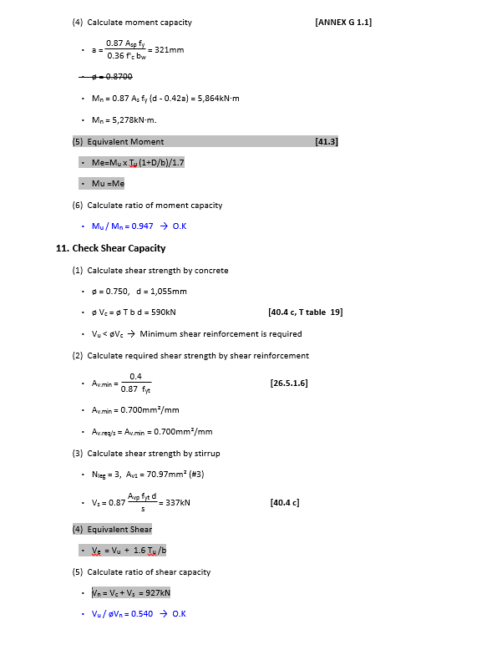
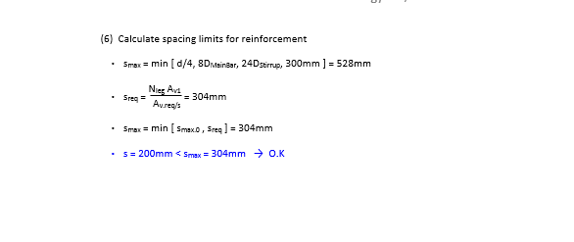
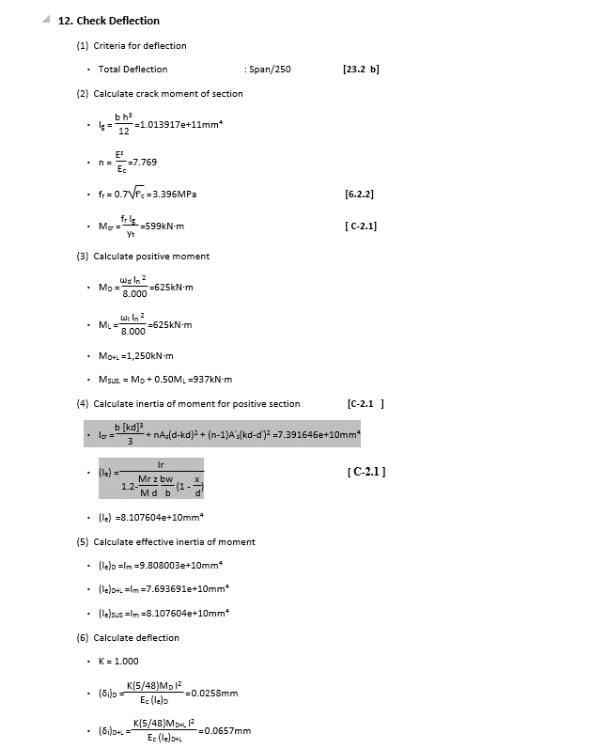
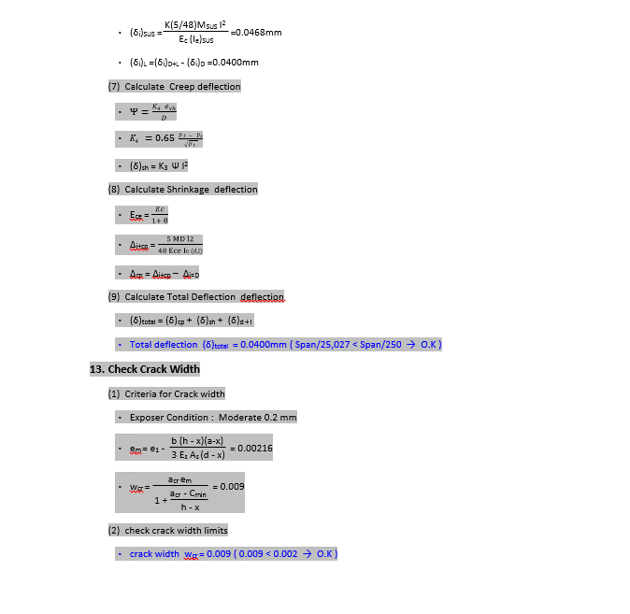
 | REPORT

Detail Report |  | Summary Report

